Logical Op & Fns - Notes
Logical Operators * Greater Than (>); Less Than (<); Greater Than Equal To (>=); Less Than Equal To (<=), Equal (=); Not Equal (<>) * Logical operators are used to create logical test. Examples: = A1>B4 ; = A1<=100 ; = A4<>B6 * All logical test return either TRUE or FALSE Logical Functions * Returns either TRUE or FALSE except IFERROR and IF * Important logical functions: - AND; OR; NOT; ISERROR; IFERROR and IF |  |  |  |  |  |  |  |  | 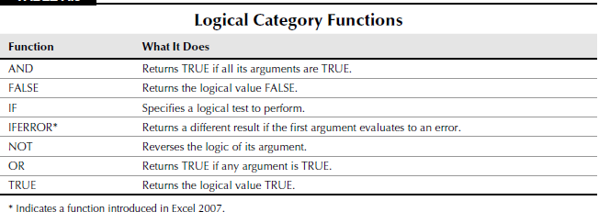

AND Function - * Returns TRUE if all its arguments evaluate to TRUE; returns FALSE if one or more arguments evaluate to FALSE. * Syntax - AND(logical1, [logical2], ...) * Example: = AND(A1>100, B2<>C3, C4="New York") OR Function - * Returns TRUE if any of the argument is TRUE; returns FALSE if all arguments in the logical test are FALSE. * Syntax - OR(logical1, [logical2], ...) * Example: = OR(A1>100, B2<>C3, C4="New York") NOT Function - * Reverses the logic of its argument * Syntax - NOT(logic) |  |  |  |  |  |  |  |  | ISERROR Function - * It is a Information function. It returns a value of TRUE if the argument is an error (#N/A, Div/0, #NAME? etc) * Syntax - ISERROR(Value) * Example - = ISERROR(B5) IFERROR Function - * If the first argument returns an error, the second argument is evaluated and returned. If the first argument does not return an error, then it is evaluated and returned. * It is used to mask the errors in Excel * Syntax - IFERROR(Value, Value_if_Error) * Example - =IFERROR(B5/A1, " - ") Hence, instead of returning DIV/0 it will return " - " in the cell IF Function - * Returns one value if a condition you specify is TRUE, and returns another value if the condition is FALSE. * It is used whenever a condition has to be evaluated * Syntax - IF(Logical_Test,Value_True,Value_False) * Logical_Test has to be created in such a way that it only returns TRUE or FALSE. Hence, we can use the logical operators, Logical functions (AND, OR etc.) and Information Functions (ISTEXT, ISBLANK, ISERROR etc) in this argument. * Value_True or Value_False argument can return - Numbers, Text, Formulas, Excel Functions and IF function In case of multiple conditions we use Nested IF i.e. IF function inside another IF function * The IF function is used in the Value_True or Value_False argument of the parent IF Function * Always complete the inner IF functions before finishing the outer function * Example - = IF(Logical_Test1, IF(logical_Test2, Value_True2, Value_False_2), Value_False1) = IF(Logical_Test1, IF(logical_Test2, Value_True1, Value_False_2), IF(logical_Test3, Value_True3, Value_False_3)) = IF(Logical_Test1, IF(logical_Test2, Value_True1, IF(logical_Test3, Value_True3, Value_False3)))

 | > < = =! | FALSE | TRUE

 |  |  |  | Criteria 1 | Criteria 2 | Criteria 3 | AND | OR
 |  |  |  | T | F | T | F | T |  |  | if | else
 |  |  |  | F | F | F | F | F |  |  | A | Parthiva
 |  |  |  | F | T | T | F | T |  |  | B | Khaled
 |  | one False | All F | And - If u have one false condition then no matter what other conditions say it will always be false |  |  |  |  |  |  | C | Anil
 |  |  |  | To be true it must have all the conditions true |  |  |  |  |  |  | D | Debi

 |  | one True | All T | OR - If one condition is true then the whole operation becomes true |  |  |  |  |  |  |  |  | A | Parthiva
 |  |  |  | To be false all the conditions must be false

 |  |  |  |  |  |  |  |  |  | IFERROR
 |  |  |  |  |  |  |  |  |  | Sales | Qty | Sales/qty
 |  |  |  |  |  |  |  |  |  | 35 | 10 | 3.5
 |  |  |  |  |  |  |  |  |  | 47 | 8 | 5.875
 |  |  |  |  |  |  |  |  |  | 15 | 12 | 1.25 |  | ISERROR
 |  |  |  |  |  |  |  |  |  | 10 | 0 | Value Error |  | #DIV/0! | TRUE
 |  |  |  |  |  |  |  |  |  | 50 | 32 | 1.5625
 |  |  |  |  |  |  |  |  |  | 38 | 5 | 7.6

